Superport (inc NG) Brake MC
Contents | Eligible Brake Components for Superbike World Championship - List |  |  | 2022 | AND Superstock 1000 (Front only)

 |  |  | The OEM Part fitted to the Homologatd machine is eligible

 | Accossato |  | Contact: Franco D'Agostino |  | Email: commerciale@agmoto.com
 | Hydraulics | Part | Description |  | Note | Variations | Price
 |  | CY001 | billet Accossato brake master cylinder 19x18 folding lever | Front MC |  |  | 281.95 €
 |  | CY002 | billet Accossato brake master cylinder 19x19 folding lever | Front MC |  |  | 281.95 €
 |  | CY003 | billet Accossato brake master cylinder 19x20 folding lever | Front MC |  |  | 281.95 €
 |  | CY004 | billet Accossato brake master cylinder adjustable PRS system 19x17-18-19 folding lever | Front MC |  |  | 611.80 €
 |  | CY087 | billet Accossato brake master cylinder 19x18 folding lever "ready to brake" micro switch included | Front MC |  |  | 241.83 €
 |  | CY088 | billet Accossato brake master cylinder 19x19 folding lever "ready to brake" micro switch included | Front MC |  |  | 241.83 €
 |  | CY089 | billet Accossato brake master cylinder 19x20 folding lever "ready to brake" micro switch included | Front MC |  |  | 241.83 €
 |  | CY090 | billet Accossato brake master cylinder adjustable PRS system 19x17-18-19 folding lever "ready to brake" micro switch included |  |  |  | 321.00 €

 |  | CY007 | billet Accossato clutch master cylinder 16x18 folding lever |  |  |  | 281.95 €
 |  | CY005 | billet Accossato clutch master cylinder 16x15-16-17 folding lever |  | Needs to be complete assembly Exceed price limit |  | 611.80 €
 |  | CY100 | billet Accossato clutch master cylinder adjustable PRS system 16x15-16-17 folding lever "ready to brake" micro switch included |  |  |  | 321.00 €

 |  | BP001 | billet Accossato thumb brake master cylinder piston 10,5 mm with short lever bracket not included |  | Needs to be complete assembly |  | 360.67 €
 |  | BP002 | billet Accossato thumb brake master cylinder piston 10,5 mm with short lever bracket included |  | Needs to be complete assembly Exceed price limit |  | 449.07 €
 |  | BP007 | billet Accossato thumb brake master cylinder piston 13,5 mm with short lever bracket not included |  | Needs to be complete assembly |  | 396.65 €
 |  | BP008 | billet Accossato thumb brake master cylinder piston 13,5 mm with short lever bracket included |  | Needs to be complete assembly Exceed price limit |  | 493.88 €
 |  | BP003 | billet Accossato thumb brake master cylinder piston 10,5 mm with long lever bracket not included |  | Needs to be complete assembly |  | 360.67 €
 |  | BP004 | billet Accossato thumb brake master cylinder piston 10,5 mm with long lever bracket included |  | Needs to be complete assembly Exceed price limit |  | 449.07 €
 |  | BP009 | billet Accossato thumb brake master cylinder piston 13,5 mm with long lever bracket not included |  | Needs to be complete assembly |  | 396.65 €
 |  | BP010 | billet Accossato thumb brake master cylinder piston 13,5 mm with long lever bracket included |  | Needs to be complete assembly Exceed price limit |  | 493.88 €
 |  | BP005 | billet Accossato thumb brake master cylinder piston 10,5 mm with bent lever bracket not included |  | Needs to be complete assembly |  | 360.67 €
 |  | BP006 | billet Accossato thumb brake master cylinder piston 10,5 mm with bent lever bracket included |  | Needs to be complete assembly Exceed price limit |  | 449.07 €
 |  | BP011 | billet Accossato thumb brake master cylinder piston 13,5 mm with bent lever bracket not included |  | Needs to be complete assembly |  | 396.65 €
 |  | BP012 | billet Accossato thumb brake master cylinder piston 13,5 mm with bent lever bracket included |  | Needs to be complete assembly Exceed price limit |  | 493.88 €

 |  | MP002 | billet Accossato hand brake master cylinder piston 10,5 mm |  | Exceeds Price - NOT ELIGIBLE |  | 485.15 €
 |  | MP004 | billet Accossato hand brake master cylinder piston 13,5 mm |  | Exceeds Price - NOT ELIGIBLE |  | 534.50 €

 |  | MP001 | billet Accossato rear master cylinder piston 10,5 mm |  | Exceeds Price - NOT ELIGIBLE |  | 331.93 €
 |  | MP003 | billet Accossato rear master cylinder piston 13,5 mm |  | Exceeds Price - NOT ELIGIBLE |  | 365.05 €
 |  | MP005 | billet Accossato rear master cylinder with double connection piston 13,5 mm |  | Exceeds Price - NOT ELIGIBLE |  | 384.47 €
 |  | MP006 | billet Accossato rear brake master cylinder with integrated fluid reservoir piston 13,5 mm |  | Exceeds Price - NOT ELIGIBLE |  | 669.63 €

 | Brembo |  | Contact: Franco Zonnedda |  | email: franco_zonnedda@brembo.it |  | +39 035 605 2288
 |  |  | Contact (USA): Nicole Lavash |  | email: nicole@racetechnologies.com
 | Hydraulic | Part | Description | Type | Note | Variations/Notes | Price
 |  | XR01170 | PR 19 x 16 | Front MC | Exceeds Price - NOT ELIGIBLE | CNC Machined Part | 544.54 €
 |  | XR01171 | PR 19 x 18 | Front MC | Exceeds Price - NOT ELIGIBLE | CNC Machined Part | 544.54 €
 |  | XR01131 | PR 16 x 18 | Front MC | Exceeds Price - NOT ELIGIBLE | CNC Machined Part | 544.54 €
 |  | 110476060 | PR 19x20 Standard Lever, Radial, Front | Front MC | USA name MKIIGP | Radial Forged
 |  | 110476070 | PR 19 x 18 long lever, Radial | Front MC | USA name MKIIGP | Radial Forged | 220.00 €
 |  | 110476075 | PR 19 x 18 folding lever, Radial | Front MC | USA name MKIIGP | Radial Forged | 240.00 €
 |  | 110476080 | PR 16x18 Standard Lever, Radial, Front | Front MC | USA name MKIIGP | Radial Forged
 |  | 110476082 | PR 16x18 Short Lever, Radial, Front | Front MC | USA name MKIIGP | Radial Forged
 |  | 110476085 | PR 16x18 Long Lever, Radial, Front | Front MC | USA name MKIIGP | Radial Forged | 311.41 €
 |  | 110476087 | PR 16x18 Folding short lever | Front MC | USA name MKIIGP | Radial Forged | 283.08 €
 |  | 110A26310 | 19 RCS | Front MC |  | Radial Forged | 295.00 €
 |  | 110A26340 | 17 RCS | Front MC |  | Radial Forged | 295.00 €
 |  | 110C74010 | 19 RCS Corsa Corta | Front MC |  | Radial Forged | 335.00 €
 |  | 110C74040 | 17 RCS Corsa Corta | Front MC |  | Radial Forged | 335.00 €

 |  | XR01150 | PR 16X16 | Rear Hand | Exceeds Price - NOT ELIGIBLE | CNC Machined Part | 497.29 €
 |  | 110A26350 | 16 RCS | Rear Hand |  | Radial Forged | 295.00 €
 |  | 110A26365 | 14 RCS | Rear Hand | ONLY to be used for single rear disc application | Radial Forged | 236.00 €

 |  | X963710 | PS 11 | Rear Foot | Exceeds Price - NOT ELIGIBLE |  | 426.25 €
...
 |  |  |  |  |  |  | 315.00 €
 |  |  |  |  |  |  | 315.00 €
 |  |  |  |  |  |  | 315.00 €

 |  |  |  |  |  |  | 275.00 €
 |  |  |  |  |  |  | 275.00 €
 |  |  |  |  |  |  | 275.00 €
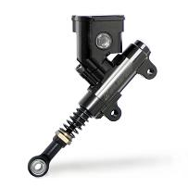
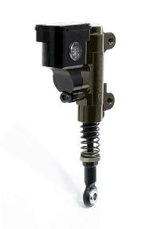
 |  |  |  |  |  |  | 147.00 €
 |  |  |  |  |  |  | 147.00 €
 |  |  |  |  |  |  | 147.00 €

 |  |  |  |  |  |  | 147.00 €
 |  |  |  |  |  |  | 147.00 €
 |  |  |  |  |  |  | 147.00 €

 |  |  |  |  |  |  | 16.00 €
 |  |  |  |  |  |  | 50.00 €
 |  |  |  |  |  |  | 370.00 €
 |  |  |  |  |  |  | 436.00 €
...
 |  |  |  |  |  |  | Price
 |  |  |  |  |  |  | 244.00 €
 |  |  |  |  |  |  | 244.00 €

 |  |  |  |  |  |  | 388.00 €
...

Engine Covers, Brake Protection
...
Engine Covers
 | Manufacturer | Part | Application | Note | Price
 | All that meet the regulations are approved
 | GB Racing | Various | Various | Plastic, All approved
 | Ducati Corse | Direct In caliper version of above | 1199 Panigale | Metal, undersize, protection adequate

 | Yoshimura Japan | Complete Set | GSXR1000R/RR | Metal, Clutch cover is undersize
 | Alpha Racing |  | BMWS1000RR | Composite

Approved Acerbis part:
Reinforcement strips
and fibre reinforced material
Not approved Acerbis part:
No reinforcing, material is plain and glossy

WSS300 Permit Mods Honda
...
The 2020 CBR500 is NOT homologated or legal to race at FIM events.
The older machines will be excepted to race using the 2019 regulation through 2020. There will be no control electronics system produced for any of the models of this bike.
Must use electronics from 2017-2018 regulations

Honda CBR500R:
Air funnel may be shortened (with no limit)
Airbox intake tube/funnel may be removed (this part is the filter mount)

This may be removed (red arrow):
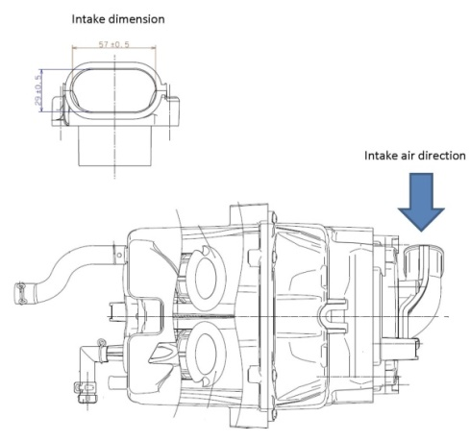
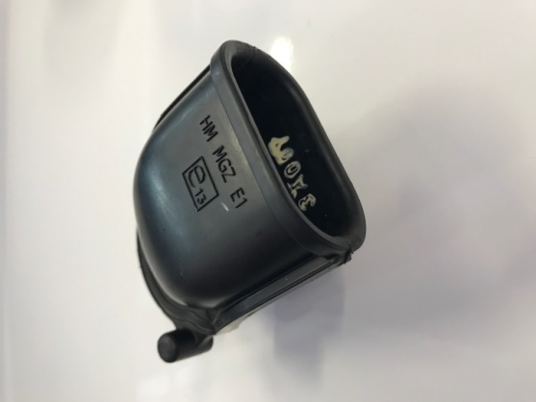

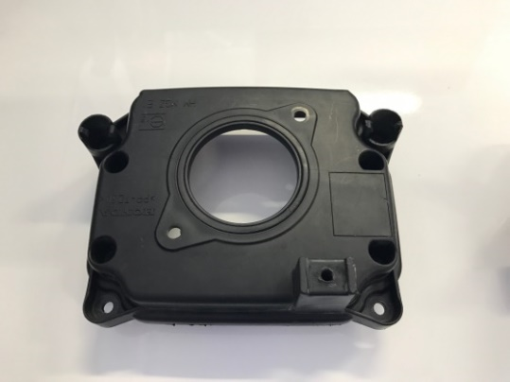
This may be opened to the full extent of the air filters opening (air filter is attached to the bottom):
 | Remove this area:
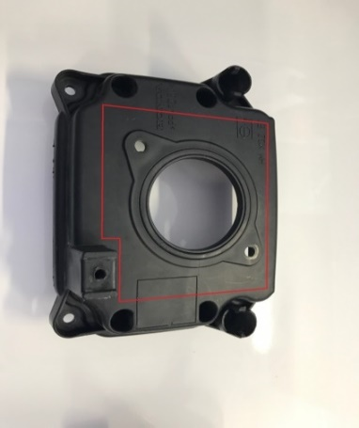

WSS300 Permit Mods Kawasaki
Contents | Eligible Modifications to Kawasaki Ninja 400 for World Supersport 300 Championship - List | 2022

 | World Supersport 300 Permitted Modifications - Kawasaki Ninja 400

 | Gaskets MUST use standard base and head gaskets
 | Minimum squish - NO cylinder, crankcase or head skimming/grinding allowed under any circumstance (no 'repairs')
 | The standard chassis brace (and airbox mount) MUST be used and securely bolted to the chassis, the wire hooks may be removed from it
 | The standard side chassis plates MUST be used and attached securely, left rearsets may use one additional mounting point NO more will be allowed
 | 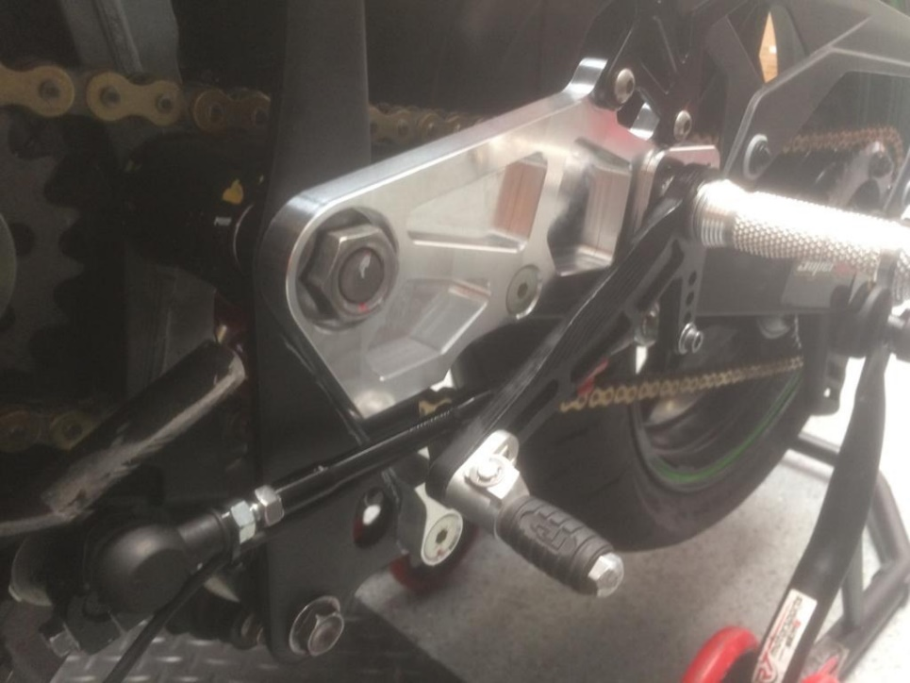
 | Compulsory Modification
 | Inlet Restrictor must be fitted between the inlet manifold and cylinder head - see picture - it will be supplied by the FIM - and has an area equivalent to 30mm diameter circle. No alternative part .may be used. NO sealant or other material may be used to 'flow' or 'streamline' the restrictor
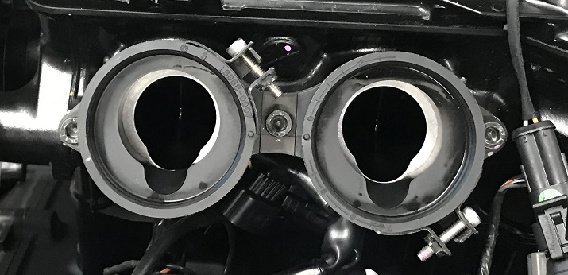

 | World Supersport 300 Permitted Modifications - Kawasaki Ninja 300 (NOT allowed for Ninja 400)

 | Airbox may be drilled for increased airflow
 | Must use electronics from 2017-2018 regulations

WSS300 Permit Mods Yamaha
Contents | Eligible Modifications to Yamaha YZF-R3 for World Superport 300 Championship - List |  |  | 2022

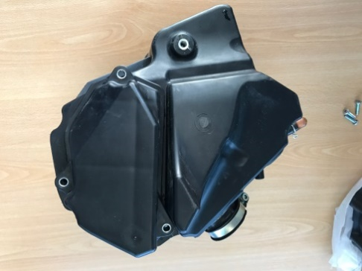
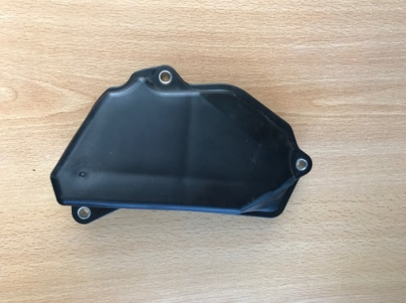
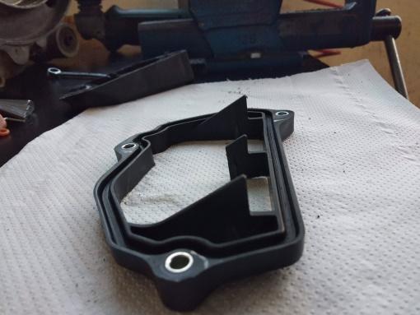
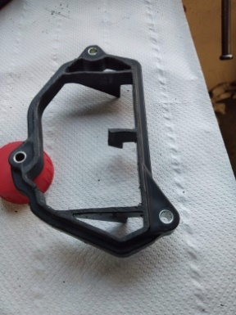
 | World Supersport 300 Permitted Modifications - Yamaha YZF-R3
 |  |  |  |  | May be modified as such:
 | Yamaha R3 and Yamaha R3A, all models:
 | Airbox air filter cover may be reduced
 | Airbox intake tube may be removed (rubber)
 | Base gasket may be omitted
 | Cylinder NiCasil coating
 | With GYTR Kit, then optional Gear position sensor (from Rd03 Misano 2021)

 | Engine Specification:
 | Either GYTR kit may be used or 19/20 spec, no mixing
 |  |  |  |  | The following parts (Air Funnels) may be shortened freely:
 | GYTR Kit:
 | Part Number | Part Name | Quantity |  |  | This rubber part may be removed:
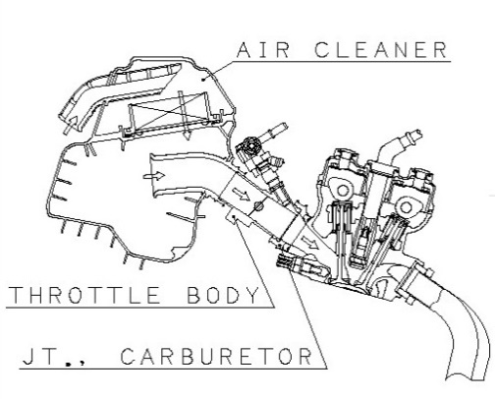
 | B7P-E2180-RC-00 | Camshaft Ex. | 1
 | B7P-E2170-RC-00 | Camshaft In. | 1
 | B7P-E2176-RC-00 | Camsprockets - Slotted | 2
 | B7P-E3750-RC-00 | Air Funnel | 2
 | B7P-E1631-RC-00 | Piston - Race Spec | 2
 | B7P-E1181-RC-00 | Gasket 1 Cylinder head 0.2mm | 1
...
 | B7P-RACE3-19-00 | Full Engine kit YZF-R3'19 - available for Model EURO4 - EURO3 | 1

 | B7P-H2540-GYTR | Gear Position Sensor Assy | 1 (optional)

 | OR the following OEM cams may be used:

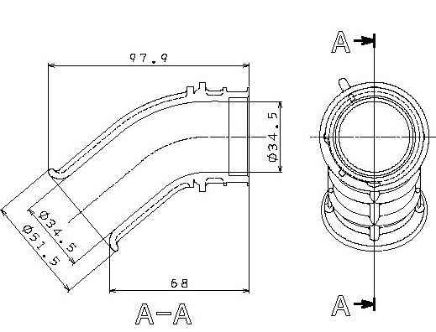
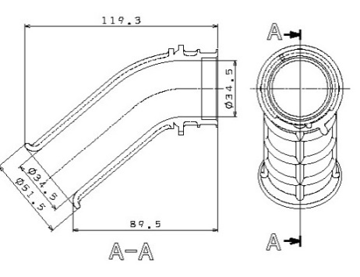
 | Permitted in 2019/2020: When using homologated OEM camshafts
 | YZF-R3A (2018, Euro4) – May use the inlet camshaft of the YZF-R3 (2017, Euro 3, USA etc)
 | Intake camshaft: | 2MS – E2170 – 01 | 160,02 euro
 | Cam sprocket: | 1WD – E2176 – 00 | 16,02 euro
 | NO other parts may be exchanged between homologations

 | With standard pistons and camshafts (mentioned above) then the following is approved:
 | Air funnel may be shortened by removing material and re-gluing (with no limit)

WSS Number Colours
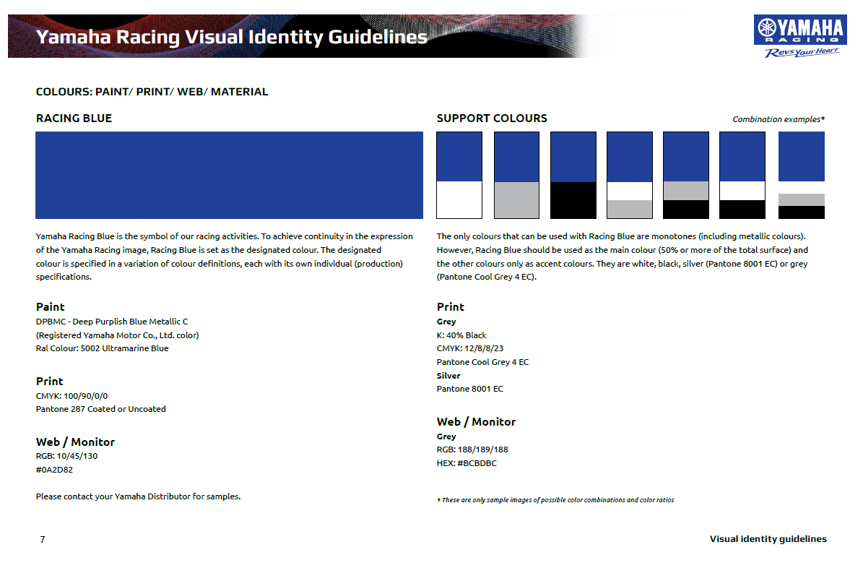
Contents
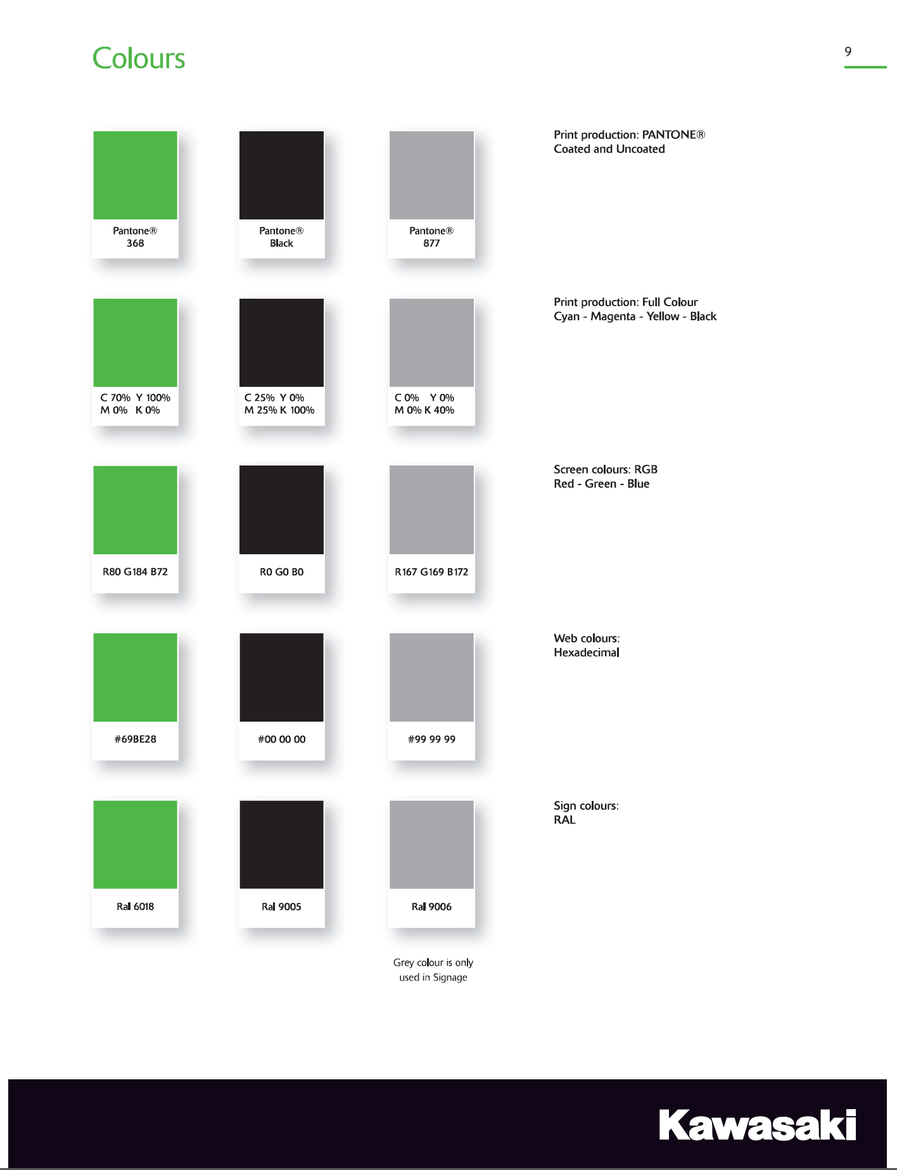

Explosion Supression Systems
...
Note: | This list is not exhaustive - these are examples of recognisd solutions.

 |  | Explosion supression systems for Fuel Tanks
 |  | Explosafe and other commercial names |  | 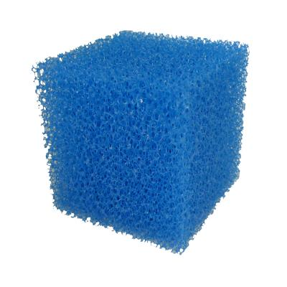

 |  | Explostop | 